Credit Checklist
2. Credit Summary

Credit | Credit Head | Credit Requirement | Credit Points Attainable |  | Credit Points Anticipated
 |  |  | Credit point(s) | Bonus credit point(s) | Credit point(s) | Bonus credit point(s) | Total
Integrated Design & Construction Management (IDCM) |  |  | 17 | 7
IDCM-00-01 | Sustainability Champions – Project | 1 credit point for demonstrating that an accredited BEAM Professional (BEAM Pro) with a valid credential for BI V2.0 is engaged as the Project BEAM Pro. Alternatively, •1 credit point for involving at least two (2) members from the project team who have accredited with BEAM Affiliate (BA) qualification. | 1 | 0 | 1 | 0 | 1
IDCM-00-02 | Environmental Management Plan | This credit head is not available under BI V2.0.
IDCM-00-03 | Timber Used for Temporary Works | 1 credit point for using the timber originated from sustainable sources/ re-used from other sites for all temporary works. Alternatively, •1 credit point for not using timber for temporary works. | 1 | 0 | 1 | 0 | 1
IDCM-01-01 | Sustainability Champions - Design | 1 credit point for involving one (1) specialist in the project design who has accredited with BEAM Pro qualification for BI V2.0. Alternatively, •1 credit point for involving at least two (2) specialists in the project design who have accredited with BA qualification. 1 additional Bonus credit point for Design BEAM Pro who is also a Hong Kong Professional Institution qualified holder. | 1 | 1 | 1 | 1 | 2.2
IDCM-01-02 | Complimentary Certification | 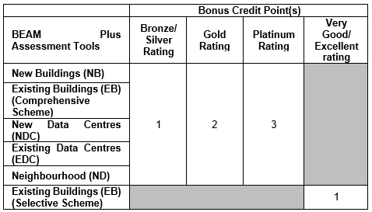 For the host building being certified with final certification rating by any of the following BEAM Plus Assessment Tools: The certification should be valid at the time of project registration for BI V2.0. | 0 | 3 | 0 | 3 | 3.6
IDCM-01-03 | Integrated Design Process | 1 credit point for considering an integrated design process to explore the interrelationships among different green interior design strategies and systems in the conceptual design stage. 1 additional credit point for organising at least one (1) multi-disciplinary design charrette to formulate passive and active design strategies in the conceptual/ schematic design stage. | 2 | 0 | 2 | 0 | 2
IDCM-01-04 | Life Cycle Costing | This credit head is not available under BI V2.0.
IDCM-01-05 | Commissioning | (a) Commissioning Specification/ Clause 1 credit point for providing specifications/ clauses in contract documents that specify details of the commissioning requirements for building services systems and equipment being installed by the Applicant within the assessment boundary, that have impact on energy use and indoor environmental quality. (b) Commissioning Method Statement 1 credit point for providing commissioning method statements that specify details of all the specified commissioning work for building services systems and equipment being installed by the Applicant within the assessment boundary, that have impact on energy use and indoor environmental quality. (c) Commissioning Report 1 credit point for providing commissioning reports for building services systems and equipment being installed by the Applicant within the assessment boundary, that have impact on energy use and indoor environmental quality. Alternatively, • 2 credit points for providing contractual document confirming that no alterations to building services in the host building have been undertaken and no supplementary building services have been installed within the assessment boundary by the project owner. | 3 | 0 | 3 | 0 | 3
IDCM-02-01 | Sustainability Champions – Construction | 1 Bonus credit point for demonstrating that one (1) accredited BEAM Pro with valid credential for BI V2.0 is engaged by the fit-out contractor of the project. Alternatively, •1 Bonus credit point for demonstrating at least two (2) accredited BAs are engaged by the fit-out contractor of the project. | 0 | 1 | 0 | 1 | 1.2
IDCM-02-02 | Measures to Reduce Site Emissions | (a) Minimisation of Air Pollution 1 credit point for implementing mitigation measures to minimise air pollution during the entire fit-out period. (b) Minimisation of Noise Pollution 1 credit point for implementing mitigation measures to minimise noise pollution during the entire fit-out period. (c) Minimisation of Chemical Waste 1 credit point for implementing mitigation measures to minimise pollution from chemical waste during the entire fit-out period. | 3 | 0 | 3 | 0 | 3
IDCM-02-03 | Construction and Demolition Waste Recycling | (a) Waste Management Plan 1 credit point for preparing and implementing the Waste Management Plan (WMP) and the application of proactive waste management provisions. (b) Construction Waste Recycling 1 to 2 additional Bonus credit points for demonstrating recycling at least 10%/ 30% of waste arising from fit-out activities. | 1 | 2 | 1 | 2 | 3.4
IDCM-02-04 | Construction IAQ Management | 1 credit point for preparing and implementing a Construction IAQ Management Plan. 1 credit point for undertaking flush-out and replacement of all filters that are under the Applicant’s control within the normally occupied assessment boundary prior to occupancy. Alternatively, •1 credit point for providing an IAQ (Good Class) report of the assessment boundary endorsed by an accredited IAQ Certificate Issuing Body (CIB). | 2 | 0 | 2 | 0 | 2
IDCM-02-05 | Considerate Construction | 1 credit point for preparing and implementing a Safety Management Plan for fit-out activities. | 1 | 0 | 1 | 0 | 1
IDCM-02-06 | Building Management Manual | (a) Operation and Maintenance Manual Development and Storage 1 credit point for preparing operation and maintenance (O&M) manuals for building services systems and equipment, which are installed by the Applicant within the assessment boundary and demonstrating that the manuals have been stored in a local device drive/ an electronic platform. (b) Stakeholder Orientation 1 credit point for organising an orientation tour for the end users of assessment boundary by suitable person for demonstrating the appropriate use of the maintenance facilities. | 2 | 0 | 2 | 0 | 2
IDCM-02-07 | Operator Training plus Chemical Storage and Mixing Room | This credit head is not available under BI V2.0.
IDCM-03-01 | Digital Facility Management Interface | This credit head is not available under BI V2.0.
IDCM-03-02 | Occupant Engagement Platform | This credit head is not available under BI V2.0.
IDCM-03-03 | Document Management System | This credit head is not available under BI V2.0.
IDCM-03-04 | BIM Integration | This credit head is not available under BI V2.0.
IDCM-04-01 | Design for Engagement and Education on Green Buildings | This credit head is not available under BI V2.0.
 |  |  | Credit Points Attainable: |  | 17 + 7B
 |  |  | Credit Points Anticipated: |  | 17
 |  |  | Bonus Credit Points Anticipated: |  | 7 | *1.2 = | 8.4
Percentage of Credit Points Achieved: |  |  |  |  | 100.00%

Credit | Credit Head | Credit Requirement | Credit Points Attainable |  | Credit Points Anticipated
 |  |  | Credit point(s) | Bonus credit point(s) | Credit point(s) | Bonus credit point(s) | Total
Management (MAN) |  |  | 3 | 3
MAN-00-01 | Green Purchasing Plan | This credit head is not available under BI V2.0.
MAN-01-01 | EHS and Energy Management System | This credit head is not available under BI V2.0.
MAN-02-01 | Environmental, Social and Governance (ESG Disclosure) | This credit head is not available under BI V2.0.
MAN-03-01 | Staff Training and Resources | This credit head is not available under BI V2.0.
MAN-03-02 | Building and Site Operation and Maintenance | This credit head is not available under BI V2.0.
MAN-03-03 | Building Services Operation and Maintenance | This credit head is not available under BI V2.0.
MAN-04-01 | Green Lease and Long Lease | (a) Green Lease 1 Bonus credit point for demonstrating the adoption of green lease proposed by the landlord. (b) Long-Term Lease 1 Bonus credit point for demonstrating that the fixed lease period is at least 3 years. Alternatively, •1 Bonus credit point for demonstrating occupation commitment for the prescribed duration. | 0 | 2 | 0 | 2 | 2.4
MAN-04-02 | Green Cleaning | 1 Bonus credit point for preparing and implementing appropriate green cleaning procedures/ practices for the assessment boundary. | 0 | 1 | 0 | 1 | 1.2
MAN-04-03 | User Guidance | 1 credit point for providing a user’s guide to encourage and promote environmentally friendly activities within the assessment boundary, including but not limited to local transport, hygiene and environmental practices, sustainable materials selection, energy conservation, indoor environmental quality, water conservation, and waste sorting, etc. | 1 | 0 | 1 | 0 | 1
MAN-04-04 | Occupational Health and Safety (OHS) | 1 to 2 credit points for scoring at least 50% or 70% of the applicable OHS measures and facilities within the assessment boundary. Alternatively, •2 credit points for project that the assessment boundary has been certified and implemented with ISO 45001 certification. | 2 | 0 | 2 | 0 | 2
 |  |  | Credit Points Attainable: |  | 3 + 3B
 |  |  | Credit Points Anticipated: |  | 3
 |  |  | Bonus Credit Points Anticipated: |  | 3 | *1.2 = | 3.6
Percentage of Credit Points Achieved: |  |  |  |  | 100.00%

Credit | Credit Head | Credit Requirement | Credit Points Attainable |  | Credit Points Anticipated
 |  |  | Credit point(s) | Bonus credit point(s) | Credit point(s) | Bonus credit point(s) | Total
Materials and Waste (MW) |  |  | 26 | 6
MW-00-01 | Minimum Waste Handling Facilities | This credit head is not available under BI V2.0.
MW-01-01 | Building Re-use | 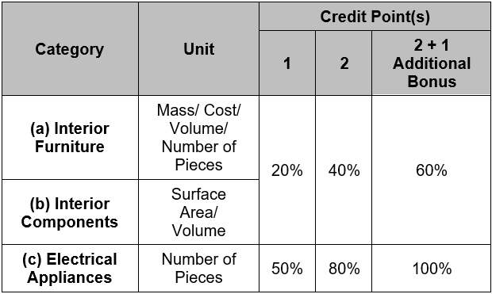 Credit point(s) for demonstrating the percentage of the reuse from salvaged/ existing furniture/ components and/ or electrical appliances are over the settings shown below: | 6 | 3 | 6 | 3 | 9.6
MW-01-02 | Modular and Standardised Design | 1 credit point for preparing a narrative that demonstrates a proactive approach in designing modular elements of the newly installed major elements and modules within the assessment boundary. 1 additional credit point for designing modular elements which contribute 25% or more of the newly installed major elements and modules within the assessment boundary. Items to be included in the assessment is shown in below table: | 2 | 0 | 2 | 0 | 2
MW-01-03 | Prefabrication | This credit head is not available under BI V2.0.
MW-01-04 | Design for Durability and Resilience | This credit head is not available under BI V2.0.
MW-01-05 | Design for Maintainability | 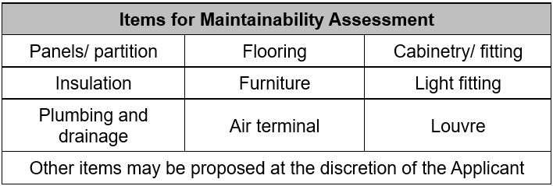 1 credit point for preparing a narrative that demonstrates a proactive approach in evaluating the maintainability of the building materials with at least three (3) of the following items. | 1 | 0 | 1 | 0 | 1
MW-01-06 | Germ-resistance Management | (a) Moisture Management 1 credit point for implementing measures to reduce the potential of moisture occurrence and accumulation. (b) Antimicrobial High Touch Surface 1 credit point if all high touch surfaces are coated with or comprised of or sprayed with material that is antimicrobial like copper, brass and plexiglass. (c) Antimicrobial Wall Surface 1 credit point if at least 50% of the wall surface has applied antimicrobial paint or coating. | 3 | 0 | 3 | 0 | 3
MW-02-01 | Sustainable Forest Products | 1 to 2 credit points for demonstrating at least 30%/ 50% (by mass/ cost/ volume/ number of pieces) of all the timber and composite timber products being used within the assessment boundary are from sustainable sources/ recycled/ reused timber. Alternatively, •1 credit point for demonstrating that no timber and composite timber products are used within the assessment boundary. | 2 | 0 | 2 | 0 | 2
MW-02-02 | Recycled Materials | This credit head is not available under BI V2.0.
MW-02-03 | Ozone Depleting Substances | This credit head is not available under BI V2.0.
MW-02-04 | Regional Materials | 1 to 2 credit points for at least 50% of any one (1)/ two (2) of the following items which are newly installed meet the prescribed requirements of regional materials. Requirements of regional materials: The point of raw materials and manufacture should be located within an 800km radius of the HKSAR by road transportation; within a 1,600km radius by rail transportation; or within a 4,000km radius by sea transportation. | 2 | 0 | 2 | 0 | 2
MW-02-05 | Use of Green Products | 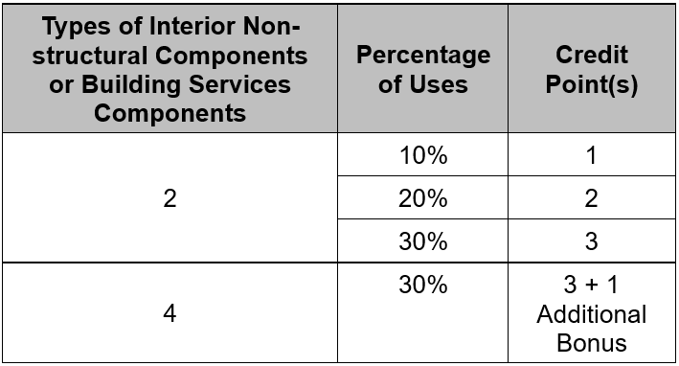 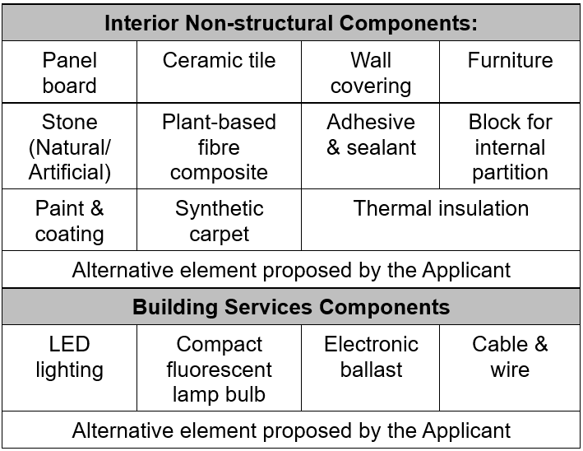 Credit point(s) for demonstrating the percentage of the use of certified green products endorsed by Construction Industry Council (CIC) Green Product Certification, or regionally or internationally recognised standard are over the settings shown below: Types of interior non-structural components or building services components are shown below: | 3 | 1 | 3 | 1 | 4.2
MW-02-06 | Lift Cycle Assessment | This credit head is not available under BI V2.0.
MW-03-01 | Adaptability and Deconstruction | Maximum 2 credit points can be achieved with 1 credit point for demonstrating each of the below listed characteristics: i) Adoption of flexible spaces to suit changing needs and multi-purposes; ii) Demonstration of how access to daylight and the proper use of artificial light that improves the occupant’s energy, disposition and health can be maintained with the adaptable design; iii) Demonstration of how access to nature and biophilic design can be maintained with the adaptable design; iv) Accommodation of flexible/ movable/ convertible furniture and a variety of workstations; v) Provision of movable partitions to maximise the layout options and accommodate a variety of uses; or vi) Adoption of minimalist interiors to reduce carbon footprint as compared to baseline case. | 2 | 0 | 2 | 0 | 2
MW-03-02 | Enhanced Waste Handling Facilities | 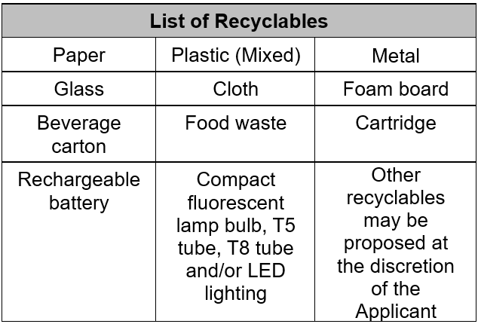 (a) Recyclables Collection 1 to 3 credit points for demonstrating the provisions of facilities for collection, sorting, storage and disposal of any four (4)/ six (6)/ eight (8) of the following recyclable streams within the assessment boundary or the host building. 1 additional Bonus credit point for providing recycling boxes for each type of plastic, i.e. PET & HDPE, within the assessment boundary or the host building. (b) Quantifying wastes 1 credit point for providing a waste audit report of the project space by waste scale provided within the host building or assessment boundary to encourage waste audit and monitor waste disposal performance. (c) Waste Treatment Equipment 1 Bonus credit point for installing at least one smart on-site waste processor such as food waste composter or reverse vending machine within the assessment boundary or the host building. | 4 | 2 | 4 | 2 | 6.4
MW-03-03 | No Bottled Water | 1 credit point for demonstrating no plastic bottled water type dispenser is adopted for the provision of drinking water. | 1 | 0 | 1 | 0 | 1
MW-04-01 | Best Practice on Material Usage | This credit head is not available under BI V2.0.
 |  |  | Credit Points Attainable: |  | 26 + 6B
 |  |  | Credit Points Anticipated: |  | 26
 |  |  | Bonus Credit Points Anticipated: |  | 6 | *1.2 = | 7.2
Percentage of Credit Points Achieved: |  |  |  |  | 100.00%

Credit | Credit Head | Credit Requirement | Credit Points Attainable |  | Credit Points Anticipated
 |  |  | Credit point(s) | Bonus credit point(s) | Credit point(s) | Bonus credit point(s) | Total
Energy Use (EU) |  |  | 20 | 3
EU-00-01 | Minimum Energy Performance | This credit head is not available under BI V2.0.
EU-01-01 | Low Carbon Passive Design | This credit head is not available under BI V2.0.
EU-01-02 | Reduction of CO2 Emissions | 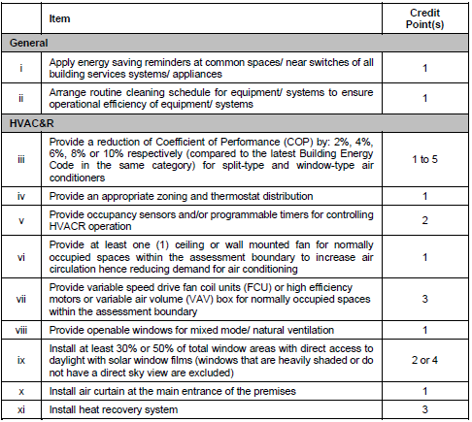 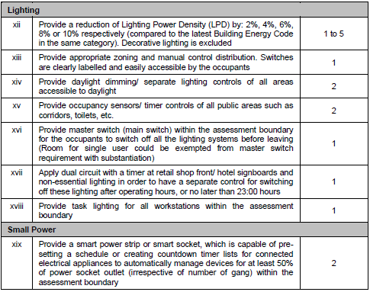 Maximum 14 credit points for using energy efficient systems and controls that reduce carbon emissions from energy use by HVAC&R and/ or lighting systems. | 14 | 0 | 14 | 0 | 14

EU-01-03 | Peak Electricity Demand Reduction | This credit head is not available under BI V2.0.
EU-01-04 | Metering and Monitoring | (a) Real-time monitoring system 1 credit point for providing electrical meters for lighting system to establish a real-time energy data monitoring system. 1 to 2 additional Bonus credit points for providing electrical meters for any one (1)/ two (2) of the following engineering systems to establish a real-time energy data monitoring system. Engineering systems: i) Air-conditioner and mechanical ventilation energy consumption; ii) Small power energy consumption; or iii) Other proposed by the Applicant. (b) Data Collection Record 1 credit point for demonstrating that the energy meters can collect and store the energy consumption data on an hourly basis for at least one (1) year. | 2 | 2 | 2 | 2 | 4.4
EU-02-01 | Renewable and Alternative Energy Systems | This credit head is not available under BI V2.0.
EU-03-01 | Air-Conditioning Units | This credit head is not available under BI V2.0.
EU-03-02 | Clothes Drying Facilities | This credit head is not available under BI V2.0.
EU-03-03 | Energy Efficient Appliances | 1 to 3 credit points when 60%/ 80%/ 100% of the total quantity (number of pieces), for all newly purchased electrical appliance is certified energy efficient. Alternatively, • 2 credit points for project that no newly purchased appliances are provided within the assessment boundary by the project owner. | 3 | 0 | 3 | 0 | 3
EU-03-04 | Cooling System Efficiency | This credit head is not available under BI V2.0.
EU-03-05 | Air Management System | This credit head is not available under BI V2.0.
EU-04-01 | Best Practice on Energy Use | This credit head is not available under BI V2.0.
EU-04-02 | Smart Devices | 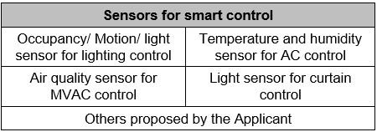 1 Bonus credit point for adopting network of smart devices with at least two (2) of the following sensors, which are capable of connecting to the internet, gathering information from their environments and exchanging data with other smart devices for analysis to maximise energy efficiency, optimise comfort and productivity of the interior spaces. | 0 | 1 | 0 | 1 | 1.2
EU-04-03 | Energy Management | 1 credit point for implementing energy management plan within the assessment boundary. | 1 | 0 | 1 | 0 | 1
 |  |  | Credit Points Attainable: |  | 20 + 3B
 |  |  | Credit Points Anticipated: |  | 20
 |  |  | Bonus Credit Points Anticipated: |  | 3 | *1.2 = | 3.6
Percentage of Credit Points Achieved: |  |  |  |  | 100.00%

Credit | Credit Head | Credit Requirement | Credit Points Attainable |  | Credit Points Anticipated
 |  |  | Credit point(s) | Bonus credit point(s) | Credit point(s) | Bonus credit point(s) | Total
Water Use (WU) |  |  | 6 | 0
WU-00-01 | Minimum Water Saving Performance | This credit head is not available under BI V2.0.
WU-01-01 | Annual Water Use | 1 to 3 credit points for achieving annual water saving of at least 20%/ 25%/ 30% by using water efficient flow devices with reference to BI V2.0 baseline. Alternatively, • 3 credit points for achieving Grade 1 under WSD's Water Efficiency Labelling Scheme (WELS) for all potable water devices within the assessment boundary. • 3 credit points for achieving Grade 1 under WSD's WELS for all potable water devices in host building. • 3 credit points for installing aerators to restrict the water flow rate of basin mixers, kitchen taps and shower heads (if applicable) in host building. • 1 credit point for installing infrared sensor faucets to restrict the water flow rate of basin mixers and kitchen taps (if applicable) in host building. | 3 | 0 | 3 | 0 | 3
WU-01-02 | Water Efficient Irrigation | This credit head is not available under BI V2.0.
WU-01-03 | Water Efficient Appliances | This credit head is not available under BI V2.0.
WU-01-04 | Water Leakage Detection | Scenario 1: Assessment boundary with potable water supply: 1 credit point for installing water leakage detection system in the covered pipework near all water points. Scenario 2: Assessment boundary without potable water supply and with piping adjacent to the boundary: 1 credit point for not installing built-in furniture so that seepage of water or water from the adjacent interior spaces can be easily detected. Scenario 3: Assessment boundary without potable water supply and no piping adjacent to the boundary: 1 credit point for project that does not have potable water supply nor piping adjacent to the assessment boundary. | 1 | 0 | 1 | 0 | 1
WU-01-05 | Twin Tank System | This credit head is not available under BI V2.0.
WU-01-06 | Cooling Tower Water | This credit head is not available under BI V2.0.
WU-02-01 | Effluent Discharge to Foul Sewers | 1 credit point for installing water efficient flushing devices with Grade 1 label under the WSD’s WELS. Alternatively, • 1 credit point for installing dual-flush water closets and infrared sensor urinals (if applicable). | 1 | 0 | 1 | 0 | 1
WU-03-01 | Water Harvesting and Recycling | This credit head is not available under BI V2.0.
WU-04-01 | Smart Water Metering | This credit head is not available under BI V2.0.
WU-04-02 | Water Saving Management | This credit head is not available under BI V2.0.
WU-04-03 | Water Quality Survey | 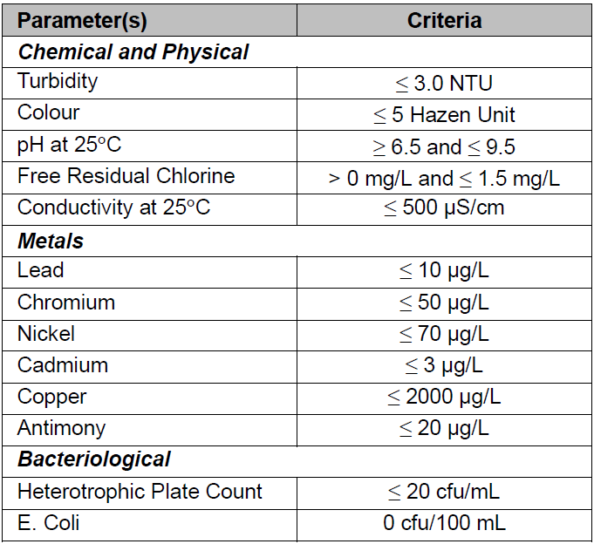 1 credit point for demonstrating that the quality of drinking water meets WSD's latest guidelines. | 1 | 0 | 1 | 0 | 1
 |  |  | Credit Points Attainable: |  | 6 + 0B
 |  |  | Credit Points Anticipated: |  | 6
 |  |  | Bonus Credit Points Anticipated: |  | 0 | *1.2 = | 0
Percentage of Credit Points Achieved: |  |  |  |  | 100.00%

Credit | Credit Head | Credit Requirement | Credit Points Attainable |  | Credit Points Anticipated
 |  |  | Credit point(s) | Bonus credit point(s) | Credit point(s) | Bonus credit point(s) | Total
Health and Wellbeing (HWB) |  |  | 25 | 10
HWB-00-01 | Minimum Ventilation Performance | 1 credit point for demonstrating that the normally occupied space has met the requirements of corresponding air changes per hour (ACH) of air ventilation rate. Alternatively, • 1 credit point for demonstrating that the CO2 level within the normally occupied space can comply with Good Class requirements as stipulated in IAQ Certification Scheme; or • 1 credit point for demonstrating that the project is in compliance with the minimum ventilation rate stipulated in ASHRAE Standard 62.1-2019 with respective to its designed ventilation mode. | 1 | 0 | 1 | 0 | 1
HWB-01-01 | Healthy and Active Living | This credit head is not available under BI V2.0.
HWB-01-02 | Biophilic Design | 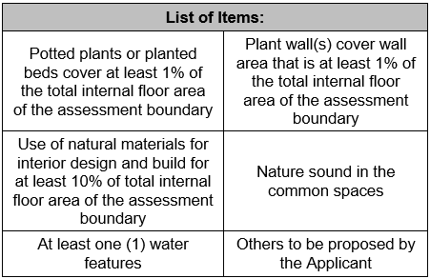 1 to 2 credit points for fulfilling at least two (2) or three (3) of the below list of items. Alternatively, • 1 to 2 credit points for demonstrating visual connection with nature and/ or biophilic design features within the assessment boundary with Visual Quality Score (VQS) of at least 1.5 or 2.5. | 2 | 0 | 2 | 0 | 2
HWB-02-01 | Inclusive Design | 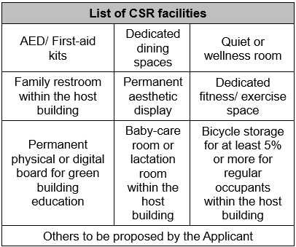 (a) Barrier Free Access (BFA) Design 1 to 2 credit points for providing at least one (1) or two (2) applicable enhanced provisions as stipulated in the “Recommended Design Requirements” of BFA 2008. (b) Corporate Social Responsibility (CSR) Facilities 1 to 2 credit points for providing two (2) or four (4) of the following CSR facilities. | 4 | 0 | 4 | 0 | 4
HWB-03-01 | Enhanced Ventilation | 1 credit point for demonstrating that the space has exceeded the ACH in credit HWB-00-01 Minimum Ventilation Performance by 30%. Alternatively, • 1 credit point for demonstrating the minimum ventilation rate of the space has exceeded ASHRAE 62.1-2019 by 30%. | 1 | 0 | 1 | 0 | 1
HWB-03-02 | Waste Odour Control | This credit head is not available under BI V2.0.
HWB-03-03 | Acoustic and Noise | (a) Background Noise Level 1 credit point for demonstrating background noise levels within the prescribed criteria to ensure the well-being of the occupants. (b) Reverberation time 1 credit point for demonstrating that the reverberation time in the applicable areas meets the prescribed criteria of given types of space to ensure speech clarity. (c) Noise isolation 1 credit point for demonstrating airborne noise isolation between spaces fulfils the prescribed criteria. | 3 | 0 | 3 | 0 | 3
HWB-03-04 | Indoor Vibration | This credit head is not available under BI V2.0.
HWB-03-05 | Indoor Air Quality | (a) Design for good IAQ 1 credit point for providing air treatment methods, i.e. sizable standalone air purifier or independent exhaust system to indoor pollution source areas, such as photocopy rooms/ kitchen/ bathrooms/ locations where significant indoor pollutant is generated. 1 credit point for demonstrating that the fresh air louvre is at least 15m from exhaust air louvre. Alternatively, • 1 credit point for providing sizable standalone air purifier to normally occupied spaces. 1 Bonus credit point if all air handling units serving the assessment boundary are equipped with UV-C lighting for air-stream disinfection. (b) IAQ Certification 2 credit points for submitting an IAQ Certification Scheme (Good Class) certificate of the assessment boundary endorsed by an accredited IAQ CIB. 1 additional Bonus credit point for submitting an IAQ Certification Scheme (Excellent Class) certificate of the assessment boundary endorsed by an accredited IAQ CIB. | 6 | 3 | 6 | 3 | 9.6
 |  | (c) Continuous IAQ Monitoring 1 to 2 credit points for installing a real-time monitor for every 500m2 and at least one (1) per floor to measure at least two (2)/ four (4) of the following parameters in a normally occupied or common space within the assessment boundary: Measurements are taken at an interval of no longer than 10 minutes for particulate matter and carbon dioxide and no longer than 1 hour for other pollutants. 1 additional Bonus credit point for setting up a notification system to inform the occupants if any of the above monitored parameters fail to meet the IAQ (Good Class) requirements of IAQ certification scheme.
HWB-03-06 | Thermal Comfort | 1 credit point for demonstrating that the assessment boundary meets the 80% acceptability limit on any one day during the selected hottest month from reference weather data file. The determination of the 80% acceptability limit should refer to ASHRAE 55-2020. The results shall demonstrate compliance with the prescribed design criteria within the prescribed limits, for a minimum of 80% of the prescribed locations. Alternatively, • 1 credit point for demonstrating the air temperature within the project space is ±1.5°C of the set temperature when the air side system is operating at steady state under normal occupied periods. 1 credit point for providing thermal zones with the maximum size as 60m2 or one (1) per ten (10) occupants, whichever is larger. | 2 | 0 | 2 | 0 | 2
HWB-03-07 | Artificial Lighting | 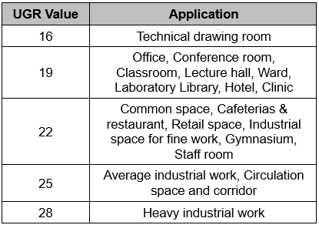 (a) Colour Rendering Index 1 credit point for all electric lightings with Colour Rendering Index (CRI) of 80 or above within the assessment boundary. (b) Unified Glare Rating 1 credit point for demonstrating that the following Unified Glare Rating (UGR) requirements with reference to BSI Light and lighting – Lighting of work places can be achieved. 1 credit point for having multizone control systems with dimming function that enable the occupants to adjust the lighting to meet their needs and preferences. (c) Smart Lighting Control 1 credit point for having smart lighting control with controllable lighting that enable the occupants to adjust the lighting level to meet their needs. | 3 | 0 | 3 | 0 | 3
HWB-03-08 | Daylight | (a) Glare Control 1 credit point for providing envelope glazing shading or blinds that are manually controllable by the occupants or can be set to prevent glare automatically for normally occupied interior spaces. (b) Daylighting Exposure 2 Bonus credit points for demonstrating at least 55% of the total area of the studied normally occupied spaces achieve spatial Daylight Autonomy300/50% (sDA300/50%) and no more than 10% of the same area receive Annual Sunlight Exposure1000,250 (ASE1000, 250). | 1 | 2 | 1 | 2 | 3.4
HWB-03-09 | Biological Contamination | This credit head is not available under BI V2.0.
HWB-03-10 | Drinking Water Promotion | 1 credit point for installing water dispenser that is located within a 30m walking distance of all the normally occupied spaces and in all the dining spaces (if applicable). | 1 | 0 | 1 | 0 | 1
HWB-04-01 | Touchless Environment | 1 credit point if all the waste receptacles within the assessment boundary are covered with lids and equipped with hands-free operation. 1 Bonus credit point if at least 50% of the main doors of entrances/ exits can be automatically opened and all door switches are touchless. 1 Bonus credit point if the washroom entrance doors can be hands-free opened or doorless. 1 Bonus credit point if all the water dispensers are equipped with hands-free operation. 1 Bonus credit points if all water closets within the assessment boundary are equipped with hands-free operation. | 1 | 4 | 1 | 4 | 5.8
HWB-04-02 | Healthy Entrance | 1 Bonus credit points if an automatic disinfection station for sanitising spray is provided next to the entrance. | 0 | 1 | 0 | 1 | 1.2
 |  |  | Credit Points Attainable: |  | 25 + 10B
 |  |  | Credit Points Anticipated: |  | 25
 |  |  | Bonus Credit Points Anticipated: |  | 10 | *1.2 = | 12
Percentage of Credit Points Achieved: |  |  |  |  | 100.00%

Credit | Credit Head | Credit Requirement | Credit Points Attainable |  | Credit Points Anticipated
 |  |  | Credit point(s) | Bonus credit point(s) | Credit point(s) | Bonus credit point(s) | Total
Innovations and Additions (IA) |  |  | 0 | 10
IA-01-01 | Innovations and Additions | Present evidence of the application of new practices, technologies and/ or techniques that are (1) not described in this manual; or (2) not market mainstream implementation; or (3) that have multiple aspects achievement; or (4) performance enhancement; and the associated benefits in addressing sustainability objectives for the interior spaces. | 0 | 10 | 0 | 10 | 10
 |  |  | Credit Points Attainable: |  | 0 + 10B
 |  |  | Credit Points Anticipated: |  | 0
 |  |  | Bonus Credit Points Anticipated: |  | 10 | *1 = | 10

